Schematic
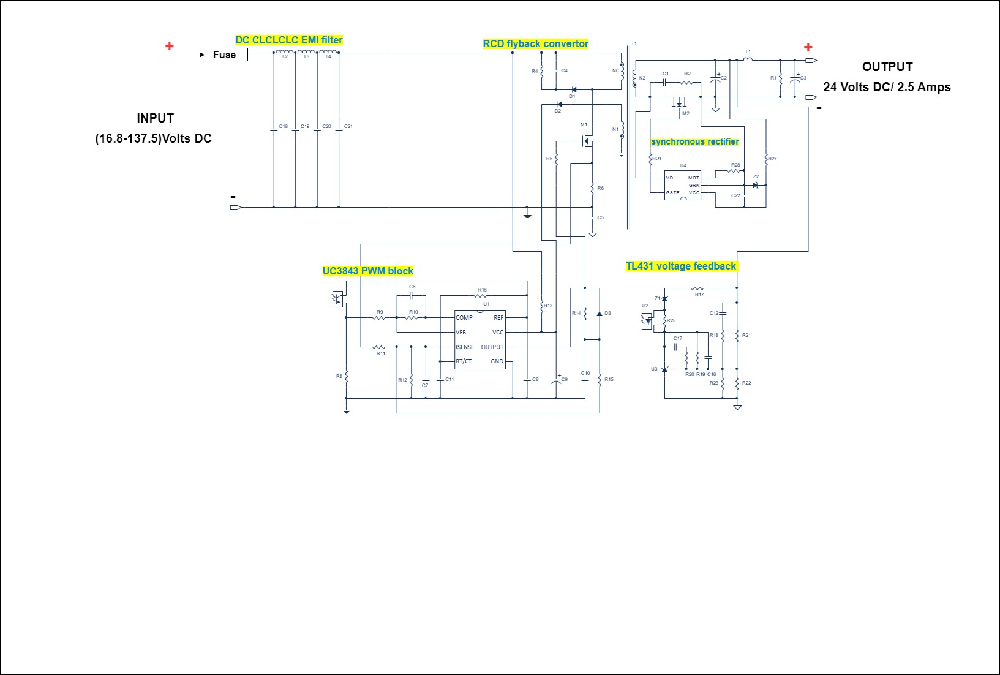
Simple RCD Flyback Schematic

Transformer winding
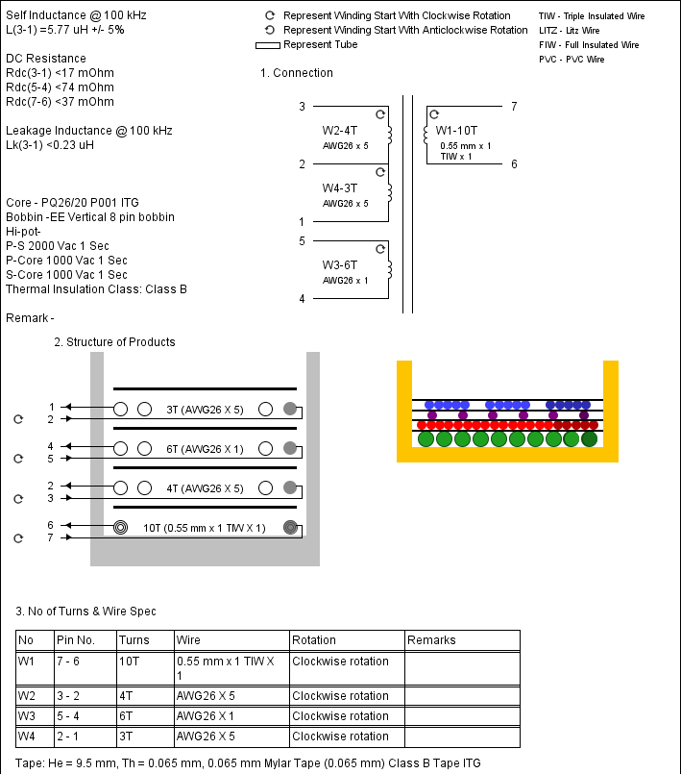

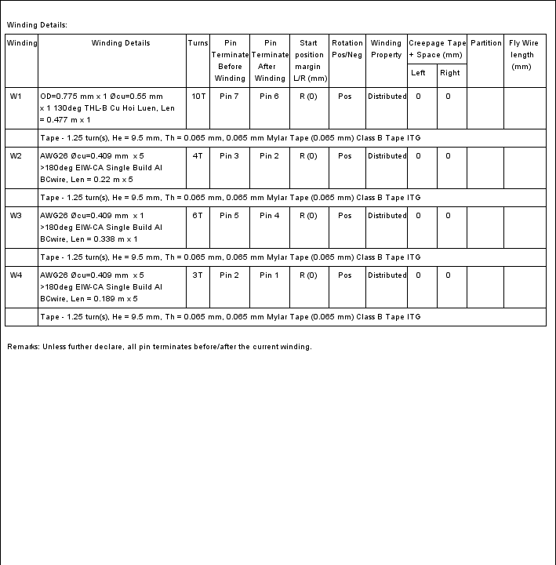

Waveform
Waveform - Simple RCD Flyback
Ta=25 Deg. | Vo1=23.99 V;
Vin=30V | Io1=2.5 A;

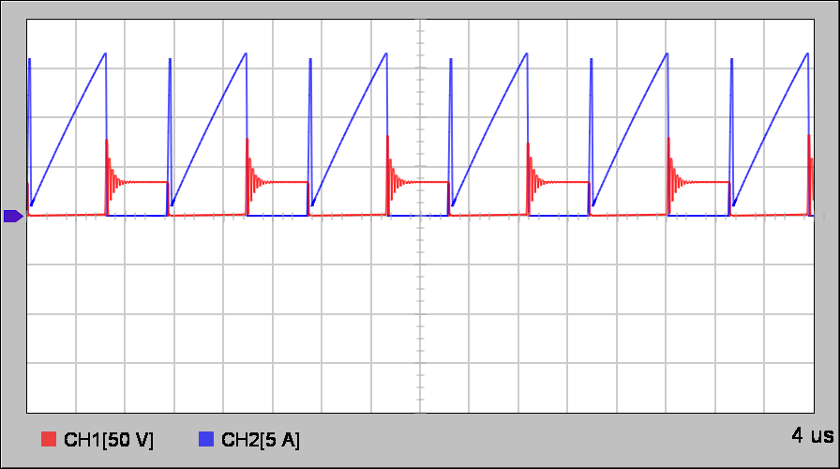
 |  | Primary MOSFET switching waveform @ peak bulk voltage waveform

 |  | Ch1-M1 drain source voltage waveform
 |  | Ch2-M1 drain source current waveform
 |  | Time Base-4 us/Div

 |  | Primary MOSFET switching waveform @ valley bulk voltage waveform

 |  | Ch1-M1 drain source voltage waveform
 |  | Ch2-M1 drain current waveform
 |  | Time Base-4 us/Div

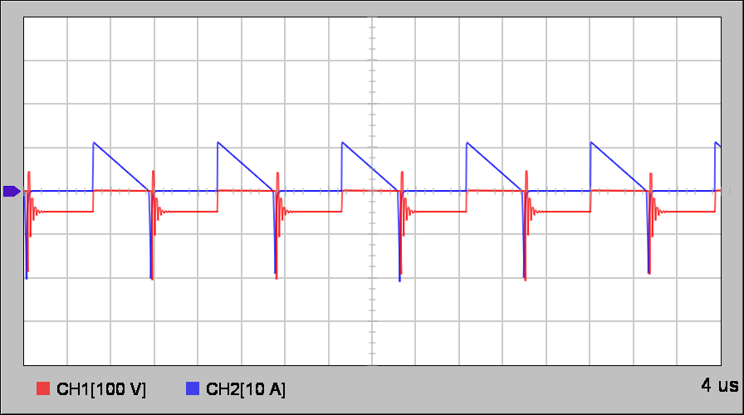
 |  | Output diode waveform @ peak bulk voltage waveform

 |  | Ch1-M2 output diode voltage waveform
 |  | Ch2-M2 output diode current waveform
 |  | Time Base-4 us/Div

 |  | Output diode waveform @ valley bulk voltage waveform

 |  | Ch1-M2 output diode voltage waveform
 |  | Ch2-M2 output diode current waveform
 |  | Time Base-4 us/Div

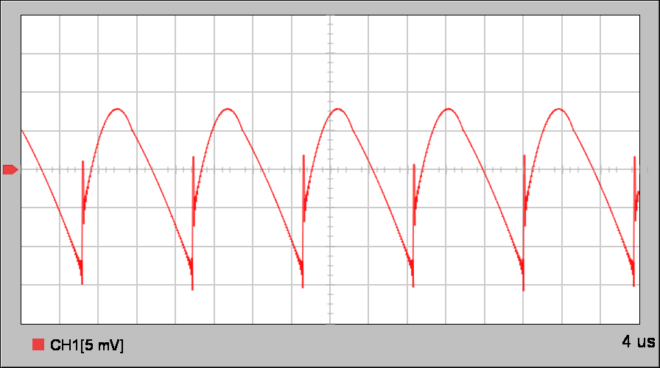
 |  | Output switching ripple waveform @ average bulk voltage waveform

 |  | Ch1-Output capacitor C3 ripple voltage waveform
 |  | Time Base-4 us/Div

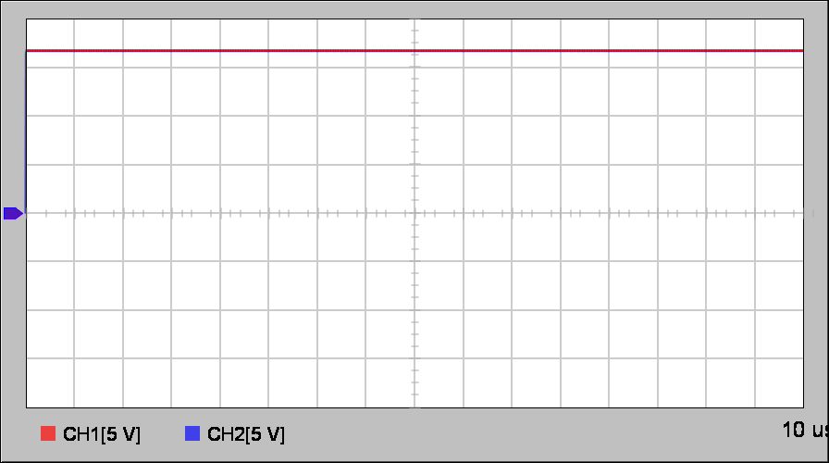
 |  | Input voltage and bulk capacitor voltage waveform

 |  | Ch1-Input DC voltage waveform
 |  | Ch2-Rectified bulk capacitor voltage
 |  | Time Base-10 us/Div

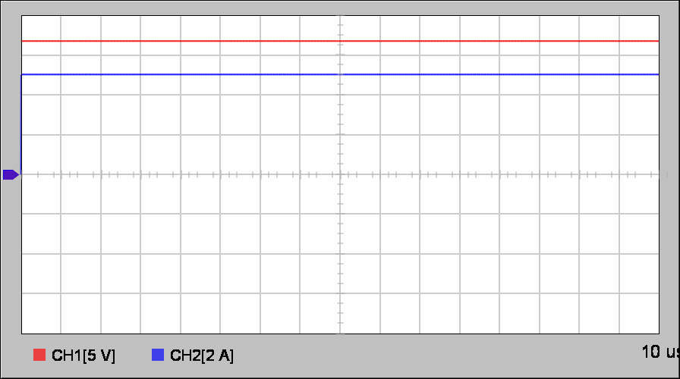
 |  | Input voltage and input current waveform

 |  | Ch1-Input DC voltage waveform
 |  | Ch2-Input current waveform
 |  | Time Base-10 us/Div

Chart
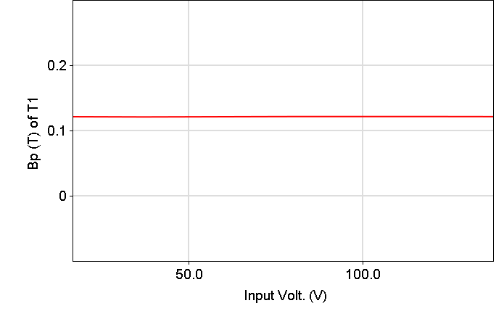
Chart - Simple RCD Flyback
Ta=25 Deg. | Vo1=23.99 V;
Vmin=30 V | Io1=2.5 A;

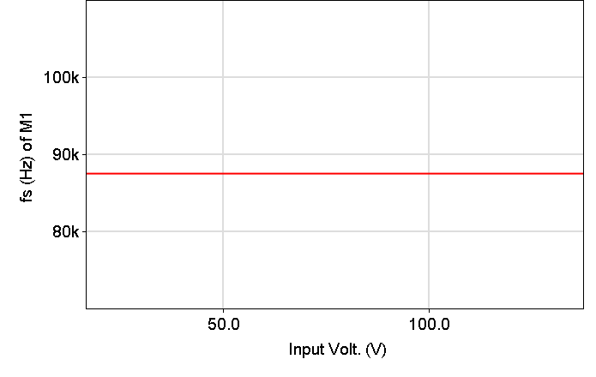
 |  |  | Input voltage Vs Switching frequency
 | Input voltage Vs Efficiency
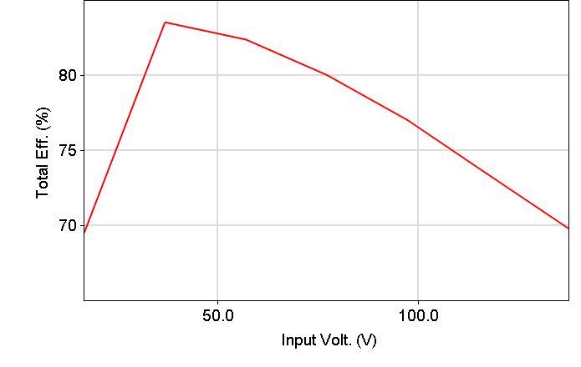

 |  | Input voltage Vs power dissipation | Input voltage Vs Duty ON of M1 switch
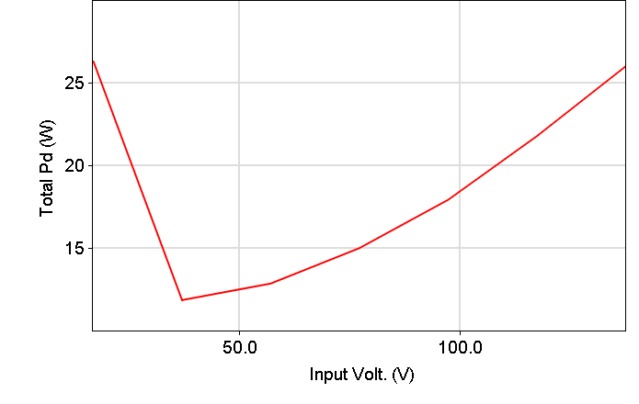
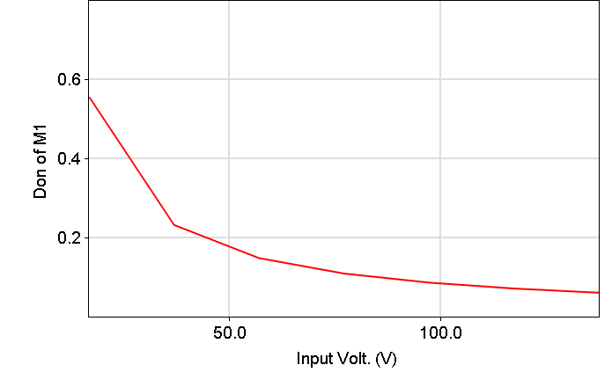

 | Input voltage Vs Output Voltage
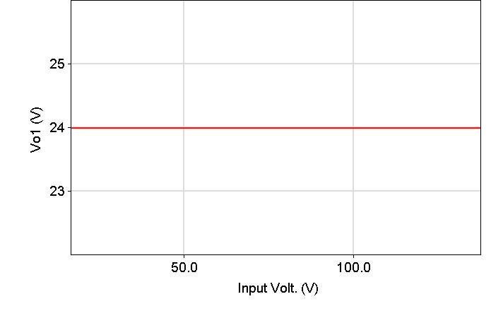

 | Input voltage Vs Magnetic flux density

EMI_simulation
 | Standalone EMI
 | Ta=25 Deg. | Vo1=24.21 V;
 | Vin=30V | Io1=2.5 A;

Noise Current Waveform
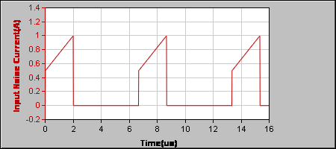

Simulated LISN Voltage Harmonics
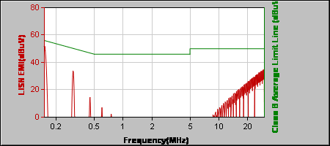
 |  |  |  |  |  | Limit | - | Class B
 |  |  |  |  |  | Type | - | Average
 |  |  |  |  |  | Standard | - | EN55022
 |  |  |  |  |  | Simulated Result | - | Pass

Four Stage Filter
 | Rp1 = 0 Ohm |  | Rp3 = 1 GOhm | Rp5 = 1 GOhm
 | C1 = 0 F |  | C3 = 0 uF | C5 = 0 uF
 | R1 = 0 Ohm |  | R3 = 0.27 Ohm | R5 = 0.7 Ohm
 | L1 = 0 H |  | L3 = 48 uH | L5 = 190 uH

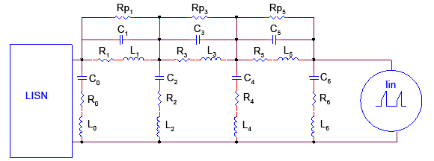
 |  |  |  |  |  |  | fin = 150 kHz
 |  |  |  |  |  |  | t0 = 0 s, Iin0 = 0 A
 |  |  |  |  |  |  | t1 = 0.015 us, Iin1 = 0.5 A
 |  |  |  |  |  |  | t2 = 2 us, Iin2 = 1 A
 |  |  |  |  |  |  | t3 = 2.015 us, Iin3 = 0 A

 | C0 = 0 F |  | C2 = 0 F | C4 = 0.47 uF | C6 = 100 uF
 | R0 = 0 Ohm |  | R2 = 0 Ohm | R4 = 30 mOhm | R6 = 0.34 Ohm
 | L0 = 0 H |  | L2 = 0 H | L4 = 0.027 uH | L6 = 0.028 uH

Input Harmonics Simulation
 | Input Harmonic - Simple RCD Flyback
 | Ta=25 Deg. | Vo1=24.21 V;
 | Vin=30 V | Io1=2.5 A;

Input Waveform
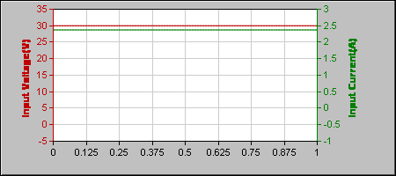
 |  |  | Vi-rms | = | 30 (V)
 |  |  | Ii-rms | = | 2.373 (A)
 |  |  | I-peak | = | 2.373 (A)
 |  |  | Crest Factor | = | 1
 |  |  | I-Fund | = | 6.711 m(A)
 |  |  | VA | = | 71.18 (W)
 |  |  | Input Power | = | 71.17 (W)
 |  |  | Power Factor | = | 1
 |  |  | THD | = | 0(%)

Simulated Harmonic
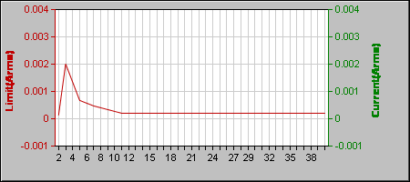
 |  |  | Limit | - | Class C
 |  |  | Standard | - | EN61000-3-2
 |  |  | Simulated Result | - | Pass

